Introduction
National Data Repository (NDR) Quantitative Self-Assessment Tool

Introduction
Welcome to the National Data Repository (NDR) Quantitative Self-Assessment Tool. This tool has been developed to evaluate the current status and effectiveness of the NDR in supporting health care data management within our country. The assessment aims to identify strengths, weaknesses, and areas for improvement to inform strategic decision-making and enhance the overall functionality of the NDR.
Purpose of the Assessment
The primary objective of this assessment is to comprehensively evaluate the NDR's performance in collecting, storing, managing, and sharing health care data. By conducting this assessment, we aim to identify strengths and areas for improvement in the NDR's infrastructure, governance, data quality, security, interoperability, usability and sustainability.
Target Audience
This assessment tool is intended for use by government agencies, healthcare organizations, technical teams, and stakeholders involved in the design, development, implementation, management, and utilization of the NDR. Your input and insights are crucial for ensuring the success and sustainability of the NDR.
Scope of the Assessment
The assessment covers various domains related to the NDR, including:
1. Governance and Access
2. Data Quality and Standards
3. Sustainability and Scalibility
4. Infrastructure and Technology

The assessment will involve a series of questions and criteria to evaluate each domain's performance and identify areas for improvement.
Instructions for Users
Please carefully review and respond to each question based on your knowledge and experience with the NDR. Provide honest and accurate feedback to help us gain valuable insights into the strengths and weaknesses of the NDR.
Confidentiality and Data Privacy
All responses provided in this assessment will be treated with strict confidentiality. Your feedback will be used solely for the purposes of this assessment and will not be shared with any third parties without your consent.
Contact Information
For inquiries or assistance regarding the assessment tool, please contact [Name] at [Email Address].
Thank you for your participation in this important assessment. Your input will contribute to the ongoing improvement of our national healthcare data management infrastructure.

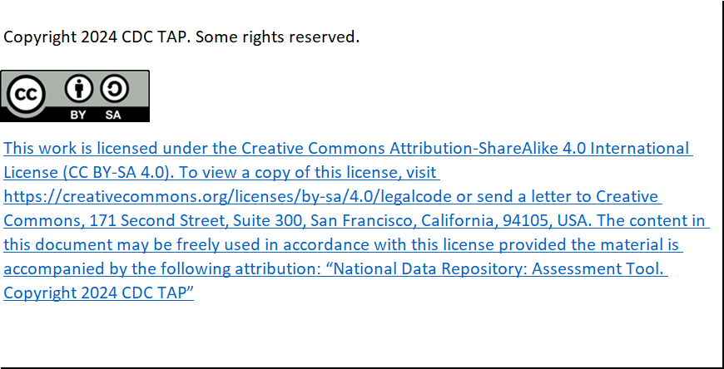

Charts
DA1.1: Data governance framework
1.1.1 | 0
1.1.2 | 0
1.1.3 | 0
1.1.3.1 | 0
1.1.4 | 0
1.1.4.1 | 0
1.1.5 | 0
1.1.6 | 0
1.1.7 | 0
1.1.8 | 0
1.1.9 | 0
1.1.10 | 0
1.1.11 | 0
1.1.12 | 0
1.1.13 | 0
1.1.14 | 0
1.1.15 | 0
1.1.16 | 0

